Sheet1
2008 Toyota Rav4 Sport 2.4
DRIVE AXLES, BEARINGS AND JOINTS COMPONENTS/DRIVE AXLE NUT
Your Vehicle: 2008 Toyota Truck RAV4 2WD L4-2.4L (2AZ-FE)

 | Vehicle » Transmission and Drivetrain » Drive Axles, Bearings and Joints » Axle Nut » Specifications

 | Specifications

FRONT AXLE SHAFT NUT

Torque: 216 Nm (2,203 kgf-cm, 159 ft-lbf) for dia 26 for 2AZ-FE

Torque: 292 Nm (2,978 kgf-cm, 215 ft-lbf) for dia 30 for 2GR-FE

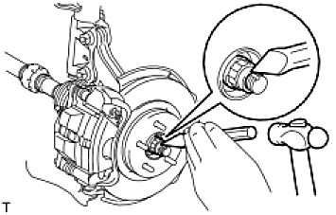

Using a chisel and hammer, stake the hub nut.

REAR AXLE SHAFT NUT (for 4WD)

Torque: 216 Nm (2,203 kgf-cm, 159 ft-lbf)

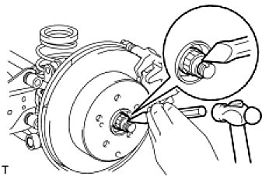

Using a chisel and hammer, stake the hub nut.

